App-10
Applied filter/ slicer: Asset Owner Name! |  |  | show in 4 tabs instead of one, one tab per metric

Metrics % Compliance (consolidate across all owned applications for this perso)n: | Registration Compliance | iRisk Compliance | Validation Compliance | Enterprise Architecture Compliance

Details Table: |  |  | % compl/ color coded | % compl/ color coded | % compl/ color coded | % compl/ color coded | gaps highlighted (registration in red, others in yellow?)
 | Application Name | HexID | Registration | iRisk | Validation | Enterprise Architecture | ... List of attributes...

old content below as inspiration but no longer valid

This requrement is not 100% valid anymore-updates to this requrement have been documented in sheet Req
 | Persona: Application Owner |  |  |  |  |  |  |  |  |  |  | latest Azure implementation to checked -> myRITA.pg.com!
 | Use Case:
 |  | have visibility on compliance of all owned items
 |  | -> see list of owned applications and for each of them what items are missing to get compliant
 | Ideas (initial July 2018): | For application managers only applications assigned to them can be visible for compliance position
 |  | Per application they own, show score per applicable compliance and color code; compliance which is not applicable show N/A
 |  | Show all columns which are black in sheet AGF 3.0 metric per application and the respective value
 |  |  | Release column is a comma separated list of values, in case there is more than one value per application
 |  |  | Instance column is a comma separated list of values, in case there is more than one instance (Viha is already working on such a field for one of the governance scorecards)
 |  |  | Physical Database (Instance) is a comma separated list of values, in case there is more than one ...
 |  |  | Server (Instance) is a comma separated list of values, ....
 |  |  | +comma separated lists for all 1:m attributes
 |  | column Request data updates (via free text) with link to https://ease.pg.com/app.php?id=<hex id>, for example https://ease.pg.com/app.php?id=C0D3C18747C20011
 |  | Since thee are many attributes (columns) per application allow to hide / unhide the attribute details
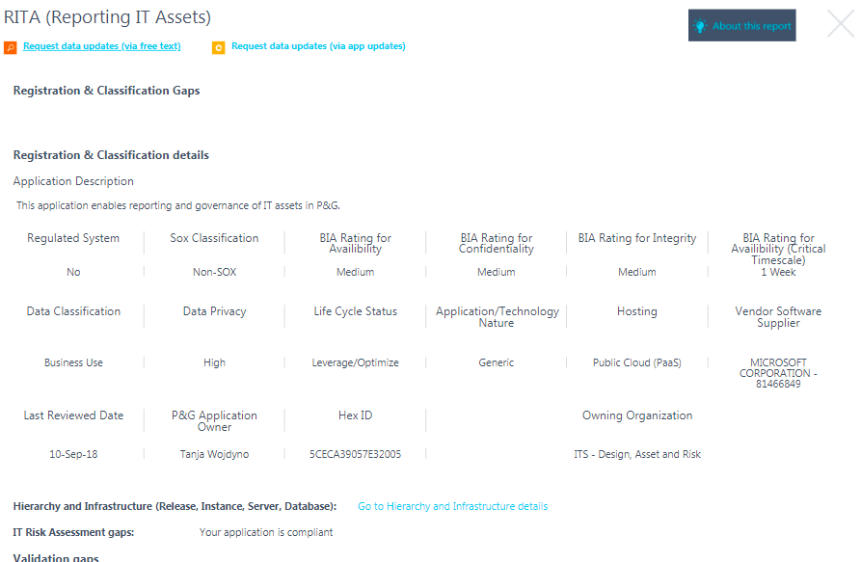
 |  | Assume that an Application Owner usually own more than one Application
 |  | Filter is all applications where logged in person is Application Owner and App/ Tech nature = [XOApp, App, xO Platf, Platf] (don't remove decommissioned); but decomissioned applications ONLY require a decomission date (to be compliant, see Enterprise Architecture Documentation)
 |  | Sort alphabetically but 1st !=Decommissioned the the Decommissioned
 |  | Titel of columns with naming convention <scorecard><measure>; only Registration and Classification has 4 columns
 |  | Allow to hide the columns which are marked in blue; when page is opened the deault is that all 3 columns are hidden (like a group in excel)
 |  | Allow to hide the columns which are marked in orange; when page is opened the deault is that all attribute columns are hidden (like a group in excel), we expect 50+ columns, some with a comma separated value list, see definition of measured attributes per compliance scorecard; don't color the values
 |  | Sort attributes (orange columns per compliance area)
 |  | All scores without decimal places

Example
 |  | Registration&Classification Compliance (in %) | Registration&Classification Complete (in %) | Registration&Classification Current (in %) | Registration&Classification Correct (in %) | Risk AssessmentComplete (in %) | Regulated Complete (in %) | Architecture Complete (in %) | Gaps for Registration&Classification | Gaps for Risk Assessment | Gaps for Regulated | Gaps for Architecture | Request data updates (via free text) | Request data updates (via appupdates.pg.com) | <name of attribute 1> | <name of attribute 2> | <name of attribute 3> | <name of attribute x>
 |  | 66 | 100 | 0 | 100 | 100 | N/A | 100 | comma separated list of measured attributes | comma separated list of measured attributes, only show if the app is in scope of the RISK assessment, else show N/A | comma separated list of measured attributes, only show if the app is in scope of the Reglated Doumentation, else show N/A | comma separated list of measured attributes, only show if the app is in scope of the Enterprize Architecture assessment, else show N/A | Request data updated (via button in EASE) (hyperlink)https://ease.pg.com/app.php?id=<hex id> | Request updates via App Update (hyperlink http://appupdates.pg.com) | actual attribute value 1, or comma separated list of values if 1:m | actual attribute value 2, or comma separated list of values if 1:m | actual attribute value 3, or comma separated list of values if 1:m | actual attribute value x, or comma separated list of values if 1:m

 | Application Name
 | MEGA

HW-81 BU leader dashboard
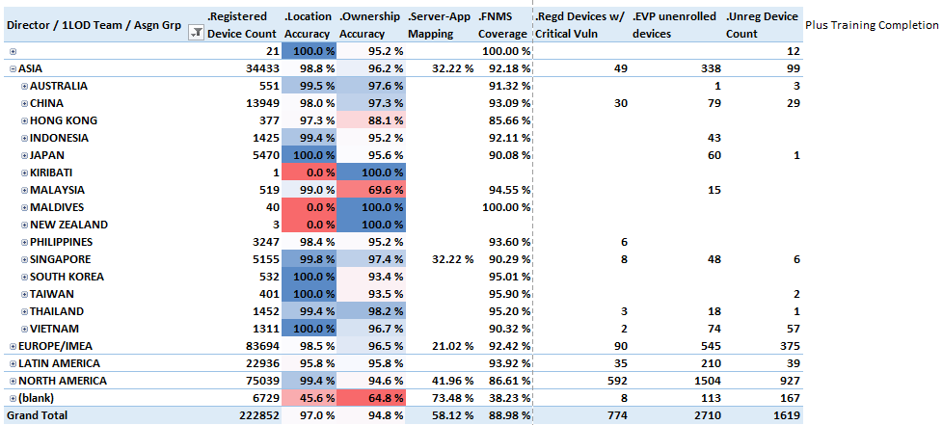
Mockup

